Sheet1
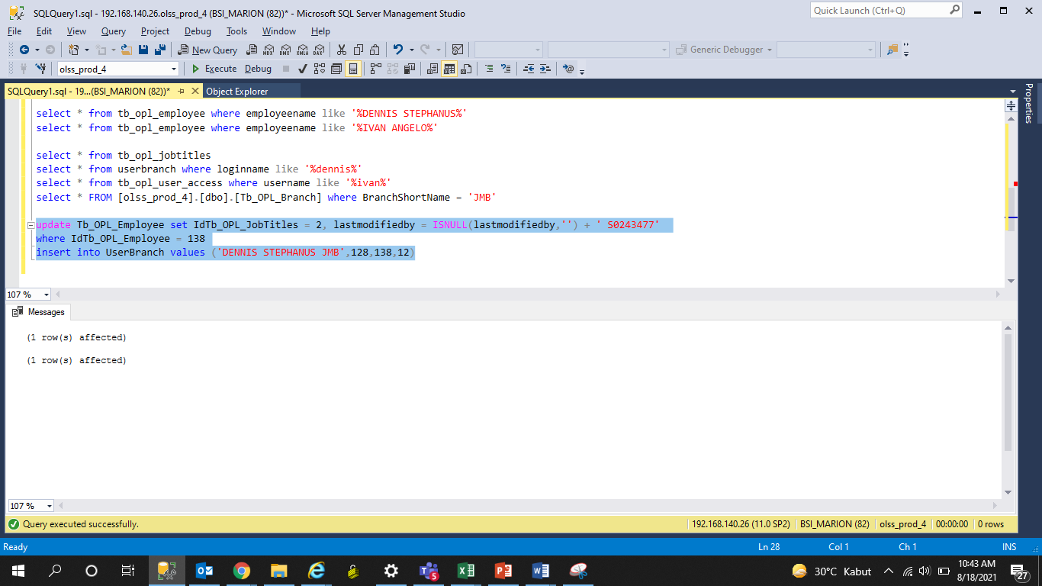
update Tb_OPL_Employee set IdTb_OPL_JobTitles = 2, lastmodifiedby = ISNULL(lastmodifiedby,'') + ' S0243477'
where IdTb_OPL_Employee = 138
insert into UserBranch values ('DENNIS STEPHANUS JMB',128,138,12)

